Assets and Liabilities
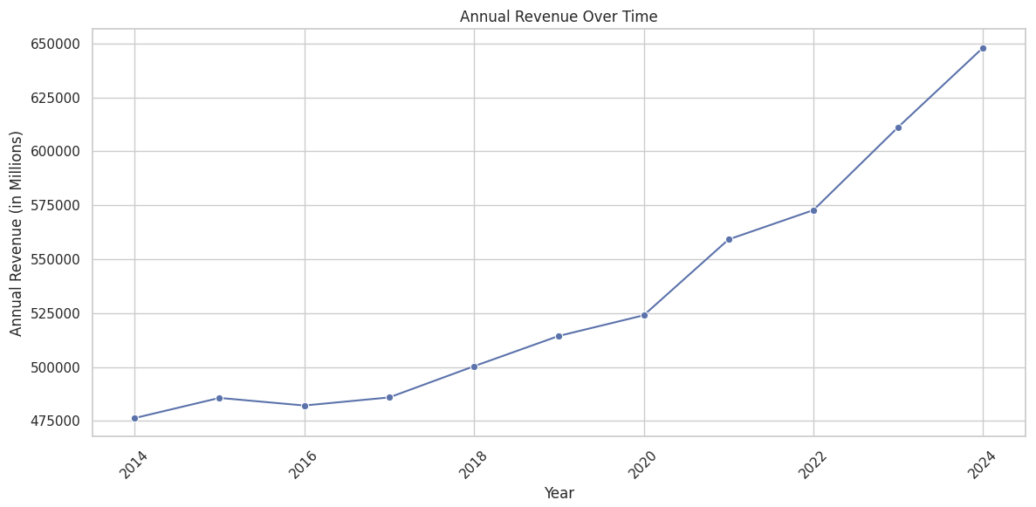
Year | Annual Revenue | Annual Total Assets | Current Assets | Current Liabilities | Current Ratio | Employee Count
2024 | $648,125 | $252,399 | $86.94B | $102.56B | 0.85 | 2,100,000
2023 | $611,289 | $243,197 | $88.39B | $104.23B | 0.85 | 2,100,000
2022 | $572,754 | $244,860 | $87.68B | $101.41B | 0.87 | 2,300,000
2021 | $559,151 | $252,496 | $82.96B | $87.62B | 0.95 | 2,300,000
2020 | $523,964 | $236,495 | $73.60B | $88.12B | 0.84 | 2,200,000
2019 | $514,405 | $219,295 | $67.91B | $83.78B | 0.81 | 2,200,000
2018 | $500,343 | $204,522 | $69.45B | $85.75B | 0.81 | 2,300,000
2017 | $485,873 | $198,825 | $65.37B | $80.44B | 0.81 | 2,300,000
2016 | $482,130 | $199,581 | $63.40B | $74.13B | 0.86 | 2,300,000
2015 | $485,651 | $203,490 | $65.11B | $70.49B | 0.92 | 2,200,000
2014 | $476,294 | $204,751 | $65.84B | $71.54B | 0.92 | 2,200,000

Resource: https://www.macrotrends.net/stocks/charts/WMT/walmart/current-ratio
 | https://www.macrotrends.net/stocks/charts/WMT/walmart/total-assets
 | https://www.macrotrends.net/stocks/charts/WMT/walmart/revenue
 | https://www.macrotrends.net/stocks/charts/WMT/walmart/number-of-employees

PRICES- Walmart Historica
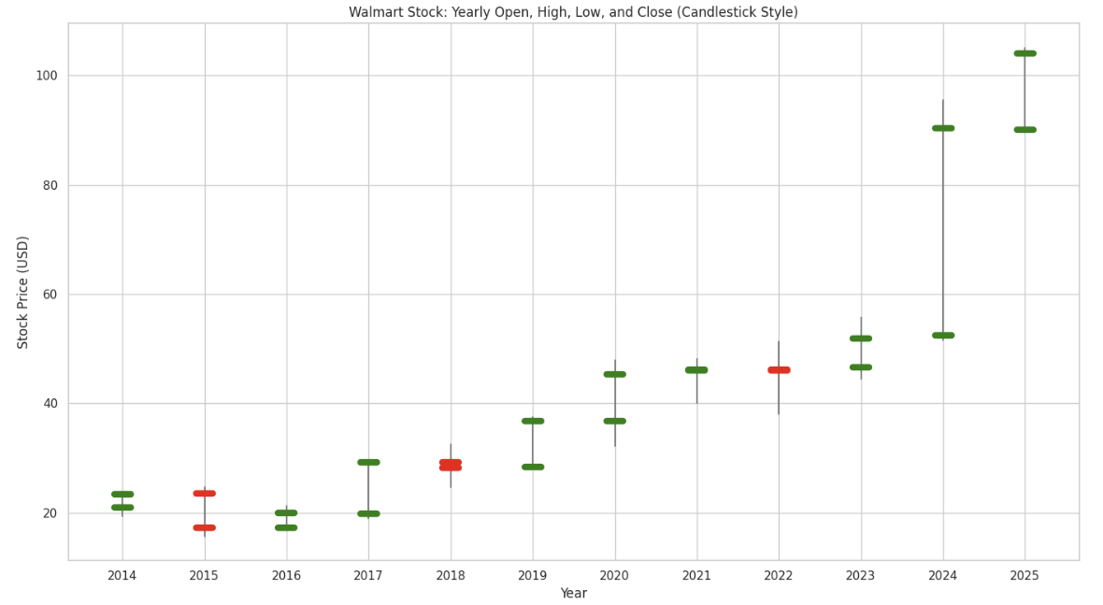
Walmart Historical Annual Stock Price Data
Year | Average Stock Price | Year Open | Year High | Year Low | Year Close | Annual % Change | Major Marketing and business events (Note: Marketing Events table were derived from a combination of official financial reports, market research studies, and business news analysis)
2025 | 96.4487 | 90 | 105.05 | 90 | 104.04 | 15.15% | Expected: AI-powered ad tech expansion, retail media push
2024 | 69.9228 | 52.4716 | 95.4898 | 51.6217 | 90.35 | 73.98% | Walmart expansion, increased ad revenue, e-commerce growth
2023 | 50.046 | 46.5907 | 55.7188 | 44.4396 | 51.9314 | 12.89% | Omnichannel marketing, online grocery growth
2022 | 44.4832 | 46.206 | 51.265 | 38.0708 | 46.0034 | -0.47% | AI-powered inventory & pricing strategies
2021 | 44.8857 | 46.0747 | 48.1868 | 40.1004 | 46.2188 | 1.97% | Walmart expands digital marketing, marketplace ad revenue
2020 | 40.4276 | 36.7806 | 47.8673 | 32.176 | 45.3263 | 23.34% | COVID-driven e-commerce boom, contactless shopping
2019 | 33.2071 | 28.292 | 37.5042 | 28.1465 | 36.7496 | 30.16% | Store remodels, automation, AI-powered checkout
2018 | 27.6664 | 29.1903 | 32.4353 | 24.6954 | 28.2344 | -3.43% | Lagging digital sales growth, increased competition
2017 | 23.1121 | 19.819 | 29.4301 | 18.953 | 29.2377 | 46.54% | Walmart acquires Jet.com, digital marketing boost
2016 | 19.7896 | 17.2392 | 21.2962 | 17.0653 | 19.9518 | 16.04% | Focus on price cuts, private-label growth
2015 | 20.015 | 23.4444 | 24.6917 | 15.6937 | 17.1943 | -26.64% | E-commerce struggles, supply chain issues
2014 | 20.8526 | 21.0126 | 23.7578 | 19.3483 | 23.439 | 11.86% | Early digital transformation efforts

Resources: https://www.macrotrends.net/stocks/charts/WMT/walmart/stock-price-history
 | https://altindex.com/ticker/wmt/sentiment
 | https://corporate.walmart.com/news/2024/10/09/walmart-reveals-plan-for-scaling-artificial-intelligence-generative-ai-augmented-reality-and-immersive-commerce-experiences
 | https://www.sec.gov/Archives/edgar/data/104169/000010416924000056/wmt-20240131.htm

Walmart’s Market Share vs. Comp
COMPANY NAME | REVENUES 12 Months Ending Q4 2024 | MARKET SHARE 12 Months Q4 2024 | MARKET SHARE MRQ Q4 2024 | MARKET SHARE A Quarter Before Q3 2024
SUBTOTAL | 3130903.93 | 1 | 795991.62 | 1
Walmart Inc | 648125 | 0.207 | 0.1855 | 0.2164
Amazon com Inc | 637959 | 0.2038 | 0.2359 | 0.2027
Cvs Health Corporation | 322467 | 0.103 | 0.1053 | 0.1036
Costco Wholesale Corp | 264086 | 0.0843 | 0.0801 | 0.0793
Home Depot inc | 154596 | 0.0494 | 0.0505 | 0.0551
The Kroger Co | 148098 | 0.0473 | 0.0423 | 0.0433
Target Corporation | 106566 | 0.034 | 0.0388 | 0.0328
Best Buy Co inc | 45072 | 0.0144 | 0.0119 | 0.0119
Dollar General Corp oration | 40164.91 | 0.0128 | 0.0128 | 0.013
Kohl s Corp | 16780 | 0.0054 | 0.0047 | 0.0048

Resource: https://csimarket.com/stocks/competitionSEG2.php?code=WMT

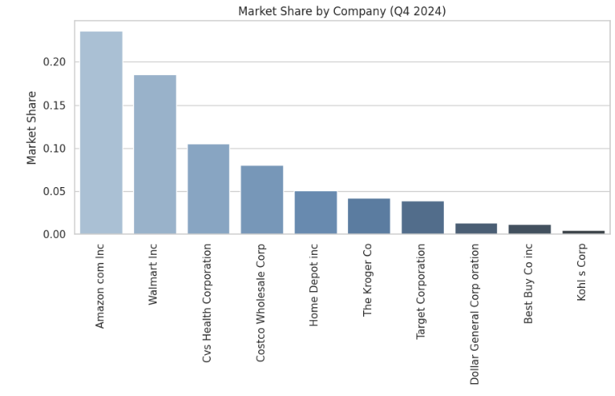
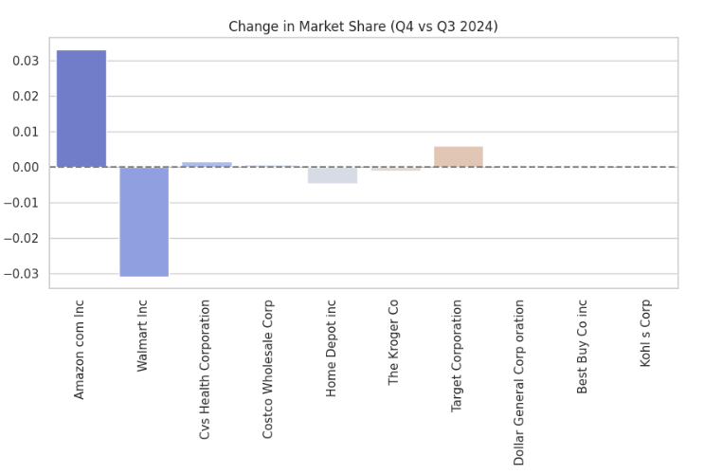

VIZ IDEA- Compare Walmart with other companies in terms of revenue and market share.

Expenses Vs Revenue Growth
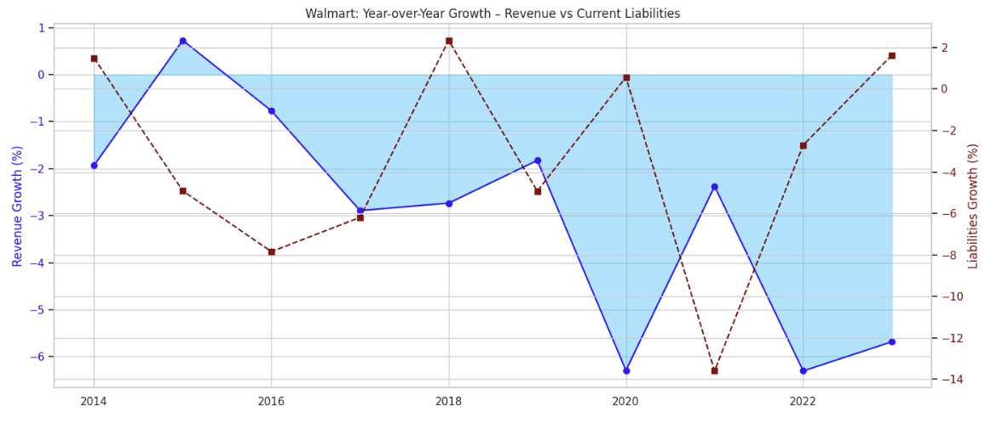
Year | 2024 | 2023 | 2022 | 2021 | 2020 | 2019 | 2018 | 2017 | 2016 | 2015 | 2014
Revenue | $648,125.00 | $611,289.00 | $572,754.00 | $559,151.00 | $523,964.00 | $514,405.00 | $500,343.00 | $485,873 | $482,130 | $485,651 | $476,294
Annual Total Assets | $252,399 | $243,197 | $244,860 | $252,496 | $236,495 | $219,295 | $204,522 | $198,825 | $199,581 | $203,490 | $204,751
Current Assets | $86.94B | $88.39B | $87.68B | $82.96B | $73.60B | $67.91B | $69.45B | $65.37B | $63.40B | $65.11B | $65.84B
Current Liabilities | $102.56B | $104.23B | $101.41B | $87.62B | $88.12B | $83.78B | $85.75B | $80.44B | $74.13B | $70.49B | $71.54B
Current Ratio | 0.85 | 0.85 | 0.87 | 0.95 | 0.84 | 0.81 | 0.81 | 0.81 | 0.86 | 0.92 | 0.92
Employee Count | 2,100,000 | 2,100,000 | 2,300,000 | 2,300,000 | 2,200,000 | 2,200,000 | 2,300,000 | 2,300,000 | 2,300,000 | 2,200,000 | 2,200,000
Gross Profit | $157,983.00 | $147,568.00 | $143,754.00 | $138,836.00 | $129,359.00 | $129,104.00 | $126,947.00 | $124,617 | $121,146 | $120,565 | $118,225
SG&A Expenses | $130,971.00 | $127,140.00 | $117,812.00 | $116,288.00 | $108,791.00 | $107,147.00 | $106,510.00 | $101,853 | $97,041 | $93,418 | $91,353
Operating Expenses | $130,971.00 | $127,140.00 | $117,812.00 | $116,288.00 | $108,791.00 | $107,147.00 | $106,510.00 | $101,853 | $97,041 | $93,418 | $91,353
Operating Income | $27,012.00 | $20,428.00 | $25,942.00 | $22,548.00 | $20,568.00 | $21,957.00 | $20,437.00 | $22,764 | $24,105 | $27,147 | $26,872
Total Non-Operating Income/Expense | ($5,164.00) | ($3,412.00) | ($7,246.00) | ($1,984.00) | ($452.00) | ($10,497.00) | ($5,314.00) | ($2,267) | ($2,467) | ($2,348) | ($2,216)

Resource: https://www.macrotrends.net/stocks/charts/WMT/walmart/financial-statements

